Ex01-N20K0-HCvsRW
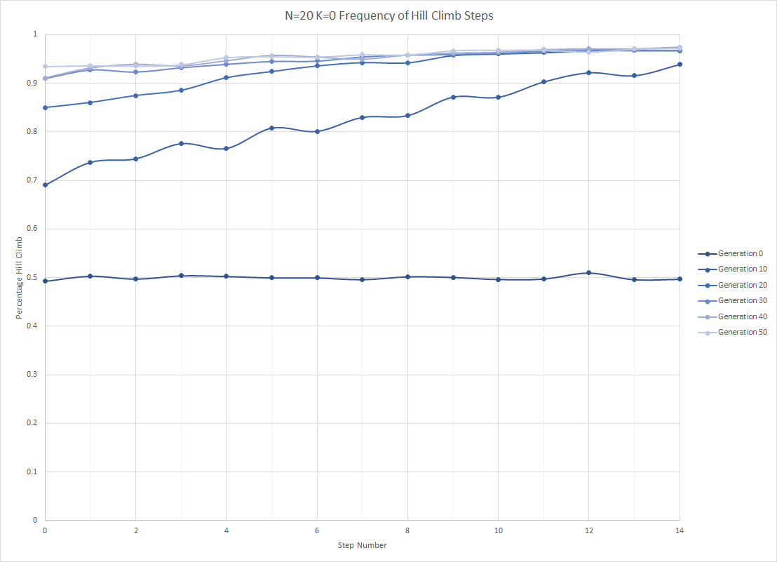
generations:100 | popsPerGen:5000 | childrenPercentage:75 | mutationRate:2.000000 | strategyLength:15 | SimulationsRun:5 | N:20 K:0
gen_num | avg_fit | 0 | 1 | 2 | 3 | 4 | 5 | 6 | 7 | 8 | 9 | 10 | 11 | 12 | 13 | 14
0 | 0.053068 | 0.49272 | 0.50324 | 0.49736 | 0.50408 | 0.50276 | 0.49976 | 0.4998 | 0.49616 | 0.50196 | 0.50072 | 0.49656 | 0.49756 | 0.50972 | 0.4962 | 0.49692
10 | 0.127158 | 0.69036 | 0.73744 | 0.7448 | 0.776 | 0.76612 | 0.80796 | 0.80124 | 0.82996 | 0.83364 | 0.87176 | 0.87148 | 0.9028 | 0.92172 | 0.91568 | 0.93864
20 | 0.162505 | 0.84972 | 0.86016 | 0.87468 | 0.88536 | 0.91148 | 0.92436 | 0.93608 | 0.94288 | 0.94252 | 0.95744 | 0.96072 | 0.9632 | 0.9672 | 0.9676 | 0.96724
30 | 0.168909 | 0.91008 | 0.92784 | 0.92368 | 0.93248 | 0.93952 | 0.94536 | 0.94604 | 0.95468 | 0.95844 | 0.95968 | 0.96396 | 0.96624 | 0.97044 | 0.96804 | 0.96804
40 | 0.17048 | 0.91072 | 0.9314 | 0.93876 | 0.93552 | 0.94628 | 0.95728 | 0.95364 | 0.94948 | 0.958 | 0.96212 | 0.9636 | 0.96904 | 0.9706 | 0.97072 | 0.97444
50 | 0.172328 | 0.93492 | 0.93668 | 0.93596 | 0.9386 | 0.95316 | 0.95504 | 0.95424 | 0.959 | 0.9586 | 0.96732 | 0.96824 | 0.96848 | 0.96452 | 0.97048 | 0.97212
60 | 0.169357 | 0.9362 | 0.92196 | 0.93572 | 0.94132 | 0.95048 | 0.94512 | 0.95108 | 0.95676 | 0.96224 | 0.96568 | 0.96236 | 0.963 | 0.97116 | 0.97392 | 0.9718
70 | 0.170495 | 0.9344 | 0.92896 | 0.93 | 0.94008 | 0.9442 | 0.95064 | 0.9482 | 0.95884 | 0.96128 | 0.96196 | 0.96192 | 0.96812 | 0.97056 | 0.96992 | 0.97416
80 | 0.169261 | 0.9282 | 0.93292 | 0.942 | 0.93672 | 0.94568 | 0.94544 | 0.94832 | 0.95392 | 0.96308 | 0.96604 | 0.96536 | 0.9676 | 0.96784 | 0.96664 | 0.97196
90 | 0.168743 | 0.92212 | 0.92848 | 0.94384 | 0.94792 | 0.94428 | 0.95324 | 0.95172 | 0.95284 | 0.96148 | 0.9624 | 0.96268 | 0.9658 | 0.96568 | 0.96956 | 0.97708
 | 0.1899412 | 0.1899412 | 0.1899412 | 0.1899412 | 0.1899412 | 0.1899412 | 0.1899412 | 0.1899412 | 0.1899412 | 0.1899412 | 0.1899412 | 0.1899412 | 0.1899412 | 0.1899412 | 0.1899412 | 0.1899412

0
0 | 0.052426 | 0.4882 | 0.5064 | 0.4904 | 0.5068 | 0.5018 | 0.5018 | 0.5034 | 0.4964 | 0.5016 | 0.4958 | 0.4894 | 0.489 | 0.5076 | 0.4886 | 0.5018
10 | 0.124681 | 0.6724 | 0.6736 | 0.7986 | 0.7772 | 0.8088 | 0.8464 | 0.8102 | 0.8488 | 0.8164 | 0.8256 | 0.8782 | 0.9306 | 0.9202 | 0.9032 | 0.9266
20 | 0.159988 | 0.8354 | 0.833 | 0.8986 | 0.8988 | 0.9242 | 0.9308 | 0.923 | 0.9434 | 0.9168 | 0.967 | 0.9572 | 0.9564 | 0.9692 | 0.9674 | 0.968
30 | 0.165891 | 0.909 | 0.9076 | 0.9424 | 0.9436 | 0.9058 | 0.9442 | 0.9498 | 0.9504 | 0.9572 | 0.962 | 0.9664 | 0.9588 | 0.968 | 0.9706 | 0.9654
40 | 0.165989 | 0.9264 | 0.9336 | 0.938 | 0.9436 | 0.9292 | 0.9546 | 0.9402 | 0.9498 | 0.9544 | 0.9594 | 0.9712 | 0.9602 | 0.9708 | 0.9742 | 0.9842
50 | 0.168646 | 0.958 | 0.9316 | 0.9354 | 0.9542 | 0.9574 | 0.9544 | 0.9426 | 0.9682 | 0.966 | 0.9702 | 0.9684 | 0.9744 | 0.9678 | 0.9676 | 0.975
60 | 0.165347 | 0.9448 | 0.9186 | 0.9076 | 0.924 | 0.9452 | 0.955 | 0.9428 | 0.9582 | 0.9618 | 0.9822 | 0.9636 | 0.9562 | 0.9684 | 0.978 | 0.9792
70 | 0.167528 | 0.9138 | 0.9246 | 0.9102 | 0.9424 | 0.943 | 0.9378 | 0.9494 | 0.9694 | 0.9568 | 0.965 | 0.967 | 0.9676 | 0.9726 | 0.9672 | 0.9788
80 | 0.167663 | 0.9162 | 0.9348 | 0.9384 | 0.9286 | 0.9348 | 0.957 | 0.957 | 0.9606 | 0.9706 | 0.9648 | 0.9616 | 0.9642 | 0.9738 | 0.9614 | 0.9728
90 | 0.165825 | 0.8968 | 0.9424 | 0.935 | 0.9656 | 0.9452 | 0.9436 | 0.959 | 0.9608 | 0.961 | 0.962 | 0.9596 | 0.9718 | 0.9698 | 0.9698 | 0.9806
Comparison: Pure SHC | 0.186256

1
0 | 0.054887 | 0.4986 | 0.507 | 0.5014 | 0.5086 | 0.5032 | 0.4994 | 0.4946 | 0.5022 | 0.5104 | 0.5046 | 0.481 | 0.5076 | 0.5062 | 0.506 | 0.4892
10 | 0.129029 | 0.708 | 0.7336 | 0.7612 | 0.8142 | 0.7566 | 0.833 | 0.8244 | 0.8244 | 0.8274 | 0.895 | 0.8454 | 0.849 | 0.9082 | 0.9396 | 0.937
20 | 0.167649 | 0.8724 | 0.8604 | 0.9012 | 0.888 | 0.9338 | 0.935 | 0.9534 | 0.9338 | 0.958 | 0.9678 | 0.9632 | 0.9648 | 0.9704 | 0.9716 | 0.968
30 | 0.168245 | 0.9148 | 0.9378 | 0.926 | 0.921 | 0.9606 | 0.948 | 0.9474 | 0.9534 | 0.9462 | 0.9578 | 0.9566 | 0.9656 | 0.9718 | 0.9594 | 0.9726
40 | 0.17498 | 0.9092 | 0.9338 | 0.9494 | 0.9336 | 0.9566 | 0.9466 | 0.9578 | 0.9546 | 0.9622 | 0.9592 | 0.9544 | 0.9746 | 0.9758 | 0.969 | 0.9658
50 | 0.175468 | 0.9342 | 0.9482 | 0.9432 | 0.948 | 0.9468 | 0.9336 | 0.9604 | 0.9626 | 0.9612 | 0.9682 | 0.9712 | 0.9722 | 0.9566 | 0.9764 | 0.969
60 | 0.169423 | 0.9436 | 0.9202 | 0.9262 | 0.961 | 0.9292 | 0.942 | 0.9576 | 0.9594 | 0.9714 | 0.9558 | 0.9638 | 0.9726 | 0.9714 | 0.974 | 0.9716
70 | 0.171197 | 0.9472 | 0.9368 | 0.9418 | 0.9516 | 0.9434 | 0.9464 | 0.9418 | 0.9498 | 0.9564 | 0.9514 | 0.963 | 0.9644 | 0.9778 | 0.9698 | 0.9682
80 | 0.170251 | 0.9402 | 0.9412 | 0.9496 | 0.9566 | 0.9498 | 0.9492 | 0.9514 | 0.947 | 0.953 | 0.9722 | 0.963 | 0.966 | 0.965 | 0.9772 | 0.9706
90 | 0.173656 | 0.9398 | 0.9284 | 0.965 | 0.9468 | 0.948 | 0.9652 | 0.9538 | 0.9542 | 0.97 | 0.9686 | 0.9672 | 0.9682 | 0.9748 | 0.969 | 0.9754
Comparison: Pure SHC | 0.192482

Fitness Over Generations
2
0 | 0.053795 | 0.4966 | 0.5024 | 0.497 | 0.4944 | 0.5012 | 0.4954 | 0.5044 | 0.5014 | 0.5044 | 0.5026 | 0.5004 | 0.4974 | 0.5134 | 0.5022 | 0.5002
10 | 0.128136 | 0.707 | 0.7964 | 0.7424 | 0.7984 | 0.7408 | 0.7368 | 0.7872 | 0.8326 | 0.811 | 0.883 | 0.874 | 0.925 | 0.9076 | 0.925 | 0.946
20 | 0.16182 | 0.8194 | 0.8786 | 0.8754 | 0.8788 | 0.8886 | 0.9086 | 0.9334 | 0.9516 | 0.9444 | 0.9532 | 0.9622 | 0.9588 | 0.9634 | 0.9684 | 0.9734
30 | 0.169019 | 0.909 | 0.9158 | 0.9184 | 0.9272 | 0.9336 | 0.9306 | 0.9446 | 0.9546 | 0.9602 | 0.9604 | 0.975 | 0.968 | 0.9664 | 0.9602 | 0.96
40 | 0.173944 | 0.8996 | 0.934 | 0.9394 | 0.9188 | 0.9494 | 0.9548 | 0.9728 | 0.9462 | 0.9426 | 0.9716 | 0.9742 | 0.975 | 0.969 | 0.9706 | 0.9742
50 | 0.173751 | 0.9368 | 0.9344 | 0.931 | 0.941 | 0.9504 | 0.9528 | 0.9566 | 0.9404 | 0.9506 | 0.9662 | 0.9726 | 0.962 | 0.9646 | 0.9754 | 0.9698
60 | 0.170982 | 0.9374 | 0.9294 | 0.9494 | 0.9496 | 0.9618 | 0.9502 | 0.9636 | 0.951 | 0.9594 | 0.975 | 0.9568 | 0.9644 | 0.971 | 0.9716 | 0.974
70 | 0.174463 | 0.9492 | 0.9256 | 0.9172 | 0.9396 | 0.9368 | 0.958 | 0.95 | 0.9578 | 0.97 | 0.9632 | 0.9632 | 0.9692 | 0.9672 | 0.9706 | 0.9712
80 | 0.169882 | 0.9296 | 0.924 | 0.9216 | 0.9526 | 0.9572 | 0.948 | 0.9538 | 0.9636 | 0.952 | 0.9648 | 0.9634 | 0.9646 | 0.963 | 0.9636 | 0.9704
90 | 0.171436 | 0.9044 | 0.918 | 0.9392 | 0.9578 | 0.953 | 0.9558 | 0.9392 | 0.943 | 0.9526 | 0.967 | 0.9482 | 0.9688 | 0.9702 | 0.9684 | 0.978
Comparison: Pure SHC | 0.191589

3
0 | 0.052625 | 0.4842 | 0.506 | 0.4976 | 0.4988 | 0.5066 | 0.5074 | 0.5024 | 0.4882 | 0.4922 | 0.4996 | 0.5014 | 0.4954 | 0.5136 | 0.4938 | 0.4826
10 | 0.132543 | 0.7018 | 0.7396 | 0.6702 | 0.748 | 0.754 | 0.7906 | 0.8166 | 0.8012 | 0.8688 | 0.8772 | 0.8894 | 0.914 | 0.9262 | 0.914 | 0.9602
20 | 0.163132 | 0.867 | 0.8432 | 0.8294 | 0.8826 | 0.8866 | 0.9252 | 0.9442 | 0.9318 | 0.9464 | 0.9412 | 0.966 | 0.9722 | 0.9618 | 0.9662 | 0.9586
30 | 0.171857 | 0.894 | 0.9344 | 0.8946 | 0.92 | 0.9464 | 0.9476 | 0.939 | 0.9644 | 0.9564 | 0.9582 | 0.959 | 0.968 | 0.971 | 0.9752 | 0.966
40 | 0.169032 | 0.8842 | 0.9232 | 0.9156 | 0.9504 | 0.9402 | 0.966 | 0.9534 | 0.951 | 0.9652 | 0.9622 | 0.9704 | 0.9716 | 0.9694 | 0.964 | 0.9768
50 | 0.171559 | 0.9038 | 0.9278 | 0.9338 | 0.9376 | 0.9578 | 0.965 | 0.9652 | 0.9672 | 0.9544 | 0.9588 | 0.9594 | 0.9684 | 0.9606 | 0.966 | 0.9752
60 | 0.173075 | 0.918 | 0.9236 | 0.9546 | 0.9354 | 0.9574 | 0.9398 | 0.9386 | 0.9558 | 0.959 | 0.9474 | 0.9578 | 0.9606 | 0.9734 | 0.9736 | 0.9678
70 | 0.169648 | 0.9304 | 0.9204 | 0.9418 | 0.9324 | 0.9496 | 0.9598 | 0.9518 | 0.962 | 0.9548 | 0.9662 | 0.9544 | 0.9684 | 0.971 | 0.9662 | 0.9786
80 | 0.174316 | 0.9392 | 0.93 | 0.952 | 0.9256 | 0.9478 | 0.9392 | 0.9398 | 0.9542 | 0.9734 | 0.962 | 0.9714 | 0.9748 | 0.974 | 0.969 | 0.9782
90 | 0.166583 | 0.9286 | 0.9238 | 0.9428 | 0.9262 | 0.9474 | 0.9462 | 0.9628 | 0.9572 | 0.9602 | 0.945 | 0.9686 | 0.966 | 0.9636 | 0.9748 | 0.9806
Comparison: Pure SHC | 0.191754

4
0 | 0.05161 | 0.496 | 0.4944 | 0.5004 | 0.5118 | 0.501 | 0.4948 | 0.4942 | 0.4926 | 0.5012 | 0.501 | 0.5106 | 0.4984 | 0.5078 | 0.4904 | 0.5108
10 | 0.121404 | 0.6626 | 0.744 | 0.7516 | 0.7422 | 0.7704 | 0.833 | 0.7678 | 0.8428 | 0.8446 | 0.878 | 0.8704 | 0.8954 | 0.9464 | 0.8966 | 0.9234
20 | 0.159935 | 0.8544 | 0.8856 | 0.8688 | 0.8786 | 0.9242 | 0.9222 | 0.9264 | 0.9538 | 0.947 | 0.958 | 0.955 | 0.9638 | 0.9712 | 0.9644 | 0.9682
30 | 0.169532 | 0.9236 | 0.9436 | 0.937 | 0.9506 | 0.9512 | 0.9564 | 0.9494 | 0.9506 | 0.9722 | 0.96 | 0.9628 | 0.9708 | 0.975 | 0.9748 | 0.9762
40 | 0.168457 | 0.9342 | 0.9324 | 0.9514 | 0.9312 | 0.956 | 0.9644 | 0.944 | 0.9458 | 0.9656 | 0.9582 | 0.9478 | 0.9638 | 0.968 | 0.9758 | 0.9712
50 | 0.172215 | 0.9418 | 0.9414 | 0.9364 | 0.9122 | 0.9534 | 0.9694 | 0.9464 | 0.9566 | 0.9608 | 0.9732 | 0.9696 | 0.9654 | 0.973 | 0.967 | 0.9716
60 | 0.167957 | 0.9372 | 0.918 | 0.9408 | 0.9366 | 0.9588 | 0.9386 | 0.9528 | 0.9594 | 0.9596 | 0.968 | 0.9698 | 0.9612 | 0.9716 | 0.9724 | 0.9664
70 | 0.169642 | 0.9314 | 0.9374 | 0.939 | 0.9344 | 0.9482 | 0.9512 | 0.948 | 0.9552 | 0.9684 | 0.964 | 0.962 | 0.971 | 0.9642 | 0.9758 | 0.974
80 | 0.16419 | 0.9158 | 0.9346 | 0.9484 | 0.9202 | 0.9388 | 0.9338 | 0.9396 | 0.9442 | 0.9664 | 0.9664 | 0.9674 | 0.9684 | 0.9634 | 0.962 | 0.9678
90 | 0.166216 | 0.941 | 0.9298 | 0.9372 | 0.9432 | 0.9278 | 0.9554 | 0.9438 | 0.949 | 0.9636 | 0.9694 | 0.9698 | 0.9542 | 0.95 | 0.9658 | 0.9708
Comparison: Pure SHC | 0.187625

